Hiearchy View
Class: ROOF DECKING
the roof deck is the roofing material that lays between the structural components of a roof (the joists and trusses), the insulation, and the waterproofing layers (coatings, roofing materials, layers, etc). | 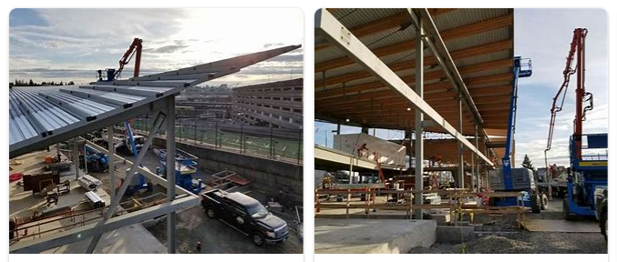
REMOVE | N

PROBLEM_DESC | CAUSE_DESC | REMEDY_DESC
ALARM/SENSOR
BROKEN/DAMAGED
LEAKING
LIGHTING
NOISE
OTHER PROBLEM
OVERHEATING
PESTS
POWER-ELEC
PRESSURE
SMELL
STOPPED/SLOWED/POOR OPS
TEMP-CTRL
VIBRATION
Grand Total

